Sheet1
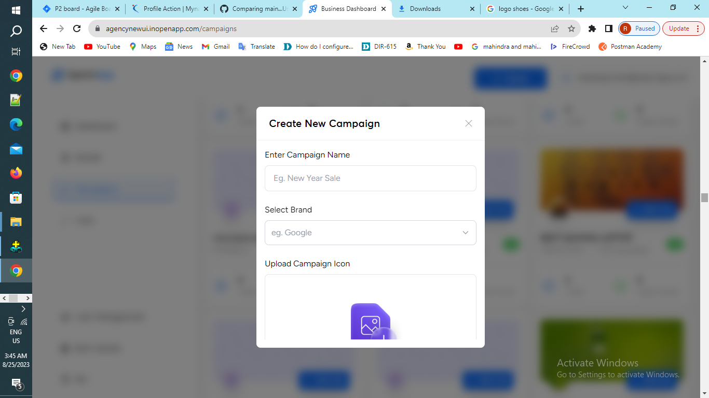
defect id :- openinapp-01
project name :- openinapp
build name :-
status:- open
severity:- high
priority:- high
test environment :-1)hardware=2GB .64GB HD 2)SW=windos10
brief discussion:- while creating a campaigns popup scrolling window is not avaliable.
input :- 1)email=testassignment@openinapp.com 2)otp enter =0000
steps:-1)enter the url. 2)click the login button. 3)tap on email id text field. 4)enter the email id on text field. 5)press login button. 6)and enter the Otp on otp textfield. 7)click campaigns button. 8)click create campaigns button and enter the credential.
expected result :- while creating a campaigns popup scrolling vindow should displayed in.
actualresult:-creation of campaigns popup scrolling window is not displayed in popup
proff:-screenshot

Sheet2
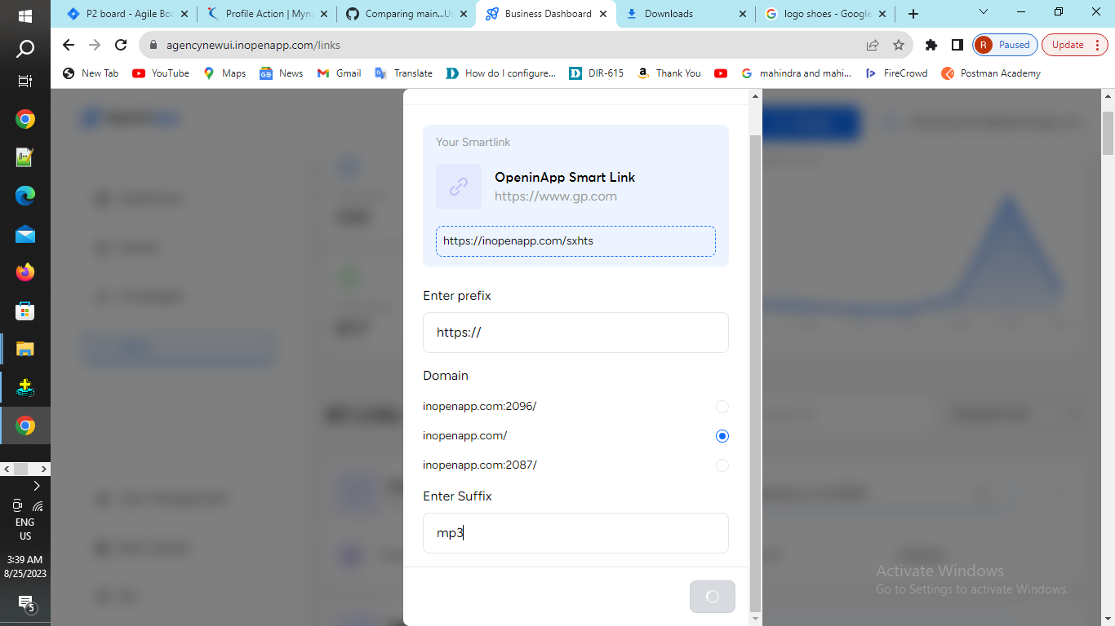
defect report

defect id :- openinapp-02
project name :- openinapp
build name :-
status:- open
severity:- high
priority:- high
test environment :-1)hardware=2GB .64GB HD 2)SW=windos10
brief discussion:- while creating a links custimize link is not working .
input :- 1)email=testassignment@openinapp.com 2)otp enter =0000
steps:-1)enter the url. 2)click the login button. 3)tap on email id text field. 4)enter the email id on text field. 5)press login button. 6)and enter the Otp on otp textfield. 7)click a link button. 8)click create smart link button and enter the credential. 9) after entering the credential click the create button. 10)then smartlink is created.
expected result :- while creating a smartlink popup custamize link is not working.
actualresult:-creation of smartlink popup custamize link will be created.
proof:-screenshot

Sheet3
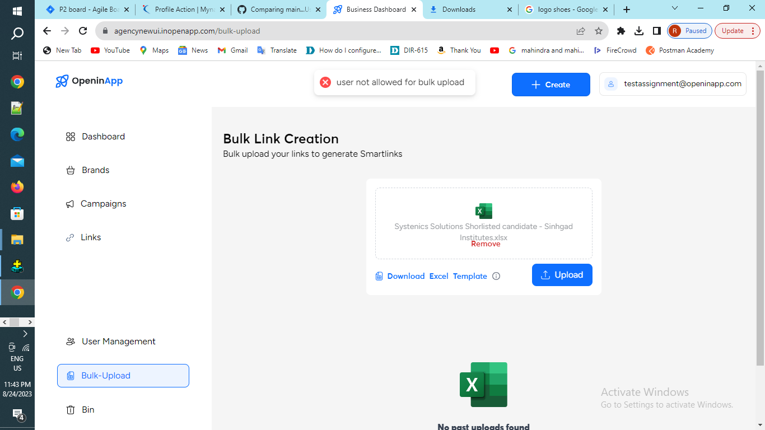
defect report

defect id :- openinapp-03
project name :- openinapp
build name :-
status:- open
severity:- high
priority:- high
test environment :-1)hardware=2GB .64GB HD 2)SW=windos10
brief discussion:- while creating a bulk uplode link is not created .
input :- 1)email=testassignment@openinapp.com 2)otp enter =0000
steps:-1)enter the url. 2)click the login button. 3)tap on email id text field. 4)enter the email id on text field. 5)press login button. 6)and enter the Otp on otp textfield. 7)click bulk uplode button. 8)click create a bulk uplode button and enter the credential. 9) after entering the credential click the create button. 10)then bult uplode created.
expected result :- while creating a bulk uplode popup bulk uplode link is not working.
actualresult:-creation of bulk uplode popup bulk uplode will be created.
proof:-screenshot

